1. Title Page
Grocery Basket Analysis

Project Name: Grocery Basket Analysis
Date: 12/20/2023
Analyst Name: Brian Dempster

Contents: | Citation for data used in this presentation:
Population Flow | “The Instacart Online Grocery Shopping Dataset 2017”, Accessed from www.instacart.com/datasets/grocery-shopping-2017 via Kaggle on October 26, 2023
Consistency checks
Wrangling steps
Column derivations
Visualizations
Recommendations

2. Population Flow
Title page

Population flow

Exclusion flag
Condition: max_order < 5
Obervations to be removed: 1,440,295
Final total count of order_products_all: 30,964,564

Orders_products_combined
Orders_products_merged
Orders_products_customers

Total: 32,404,859
Total: 32,434,489
Total: 32,404,859

3. Consistency checks
 |  |  |  | Title page
Consistency checks

Dataset | Missing values | Missing values treatment | Duplicates
orders | 206,209 records with missing days_since_prior_order | All records were the first orders for a customer. No treatment required. | None.
products | 16 records with missing product name. | Rows were dropped. | 5 records were complete duplicates. Rows were dropped.
orders_products_prior | None. | n/a | None.
customers | None. | n/a | None.
orders_products_customers | None. | n/a | None.

4. Wrangling steps
 |  |  |  | Title page
Wrangling steps

Columns dropped | Columns renamed | Columns' type changed | Comment/Reason
orders - eval_set |  |  | Not needed.
 | orders - order_dow to orders_day_of_week |  | Clarity.
 |  | orders - order_id to str | Column used for identification, not quantification.
orders_products_merged - busiest_day |  |  | *** Change order replaced column with busiest_days with different criteria
customers - First Name, Surnam |  |  | To protect customer privacy - data was not needed for analysis.
 | customers - Gender to gender, STATE to state, Age to age, n_dependents to additional_family, fam_status to marital_status |  | Consistency and clarity
 | orders_products_customers - user_id to customer_id | orders_products_customers - customer_id to str | Clarity and suitability of purpose (the data is used for identification, not quantification)

5. Column derivations
 |  |  |  | Title page

Column derivations and aggregations

Dataset | New column | Column/s it was derived from | Conditions
orders_products_merged | price_range_loc | prices | price <= 5 = 'Low-range product price >5 and <=15 = 'Mid-range product price > 15 = 'High-range product'
orders_products_merged | busiest_day | orders_day_of_week | Saturday (0) = 'Busiest Day' Wednesday (4) = 'Least Busy' All others = 'Regularly Busy'
orders_products_merged | busiest_days | orders_day_of_week | *** Change Request *** 'Saturday (0) and Sunday (1) = 'Busiest Days' Tuesday (3) and Wednesday (4) = 'Slowest Days' All others = 'Regular Day'
orders_products_merged | busiest_period_of_day | order_hour_of_day | < 400,000 == midnight until 7 a.m. = 'Fewest Orders' < 2 million == Between 7 a.m. and 9 a.m., and 6 p.m. until midnight = 'Average Orders' > 2 million or greater == 9 a.m. until 6 p.m. = 'Most Orders'
orders_products_merged | max_order | user_id order_number | Largest order number for each customer.
orders_products_merged | loyalty_flag | max_order | max_order > 40 == Loyal customer max_order > 10 and <= 40 == Regular customer max_order <=10 == New customer
orders_products_merged | cust_avg_price | user_id prices | average item price for each customer
orders_products_merged | price_spender | cust_avg_price | cust_avg_price <10 == Low spender cust_avg_price>=10 == High spender
orders_products_merged | cust_med_days | user_id days_since_prior_order | median value for each customer for days_since_last_order
orders_products_merged | cust_frequency | cust_med_days | cust_frequency>20 == Non-frequent customer cust_frequency>10 and <=20 == Regular customer cust_frequency<=10 == Frequent customer ***** added condition cust_frequency n/a == Only one order
orders_products_customers | region | state | region is based on a list provided by the US Census Bureau.
orders_products_customers | regional_spender | region price_spender | Segments the price_spender flag into regions.
orders_products_customers | age_group | age | Flag for "under 40" and "40 plus"
orders_products_customers | day_of_week_text | orders_day_of_week | Text day of week

6. Visualizations
 |  |  |  |  | Title page

Visualisations

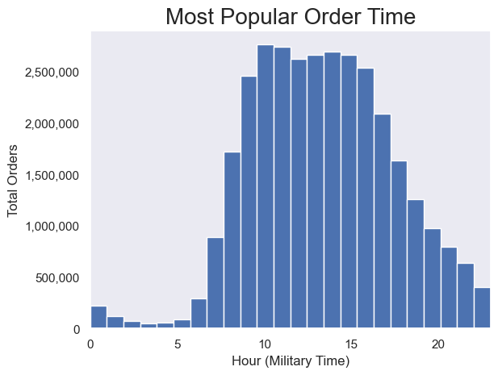

 | This visualization will be used to answer "What are the busiest days of the week and hours of the day?"

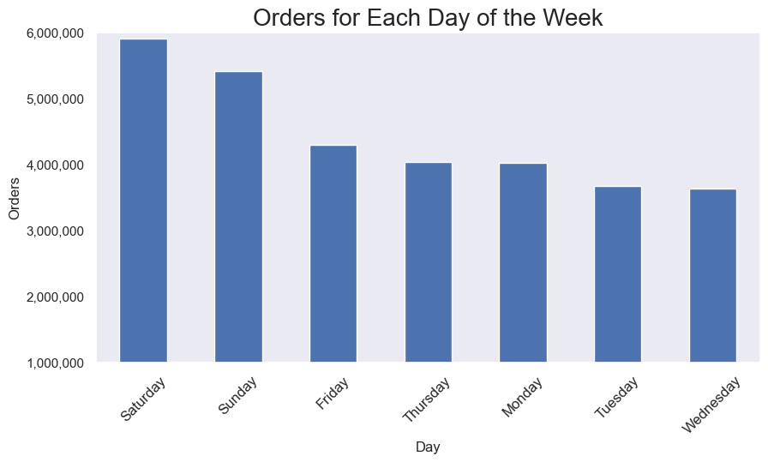

 |  | This visualization will be used to answer "What are the busiest days of the week and hours of the day?"

 |  |  | This visualization will be used to answer "Are there times of the day when people spend the most money?"

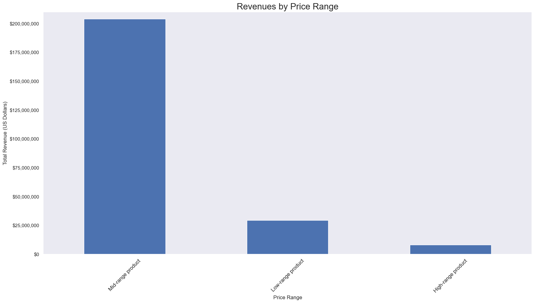

 |  |  | This visualization will be used to illustrate the creation of price range categories as directed.

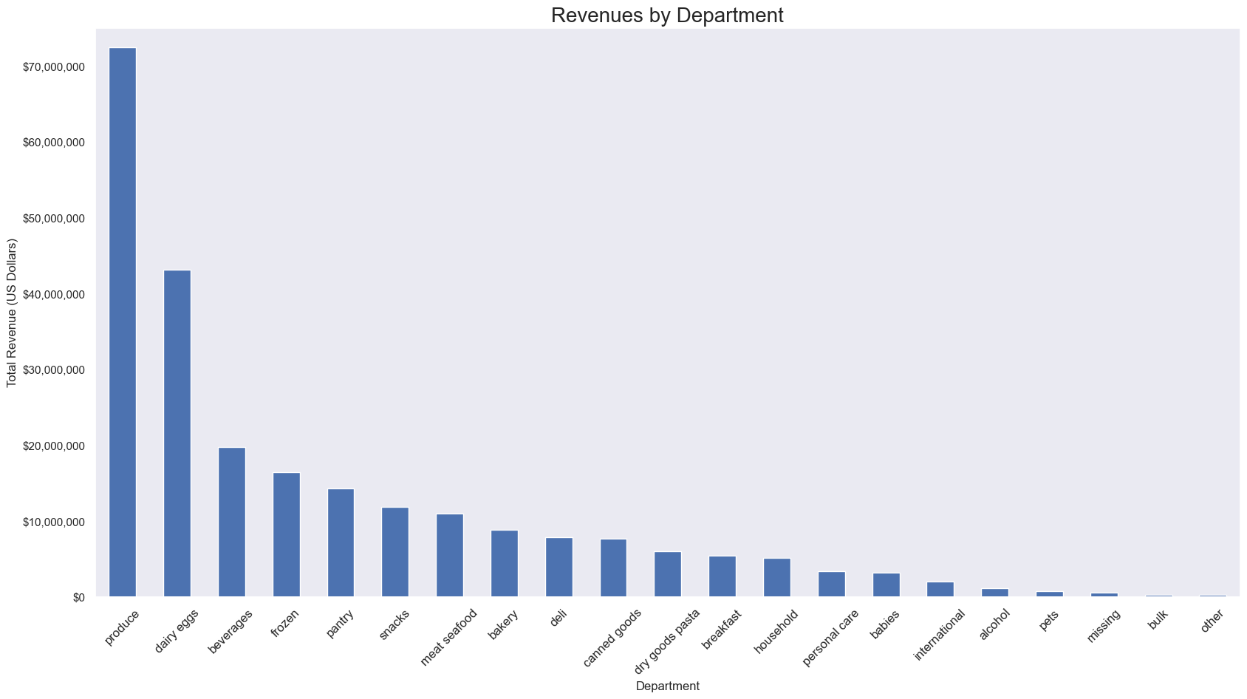

 |  |  |  | This visualization will be used to answer "Are certain types of products more popular than others?"

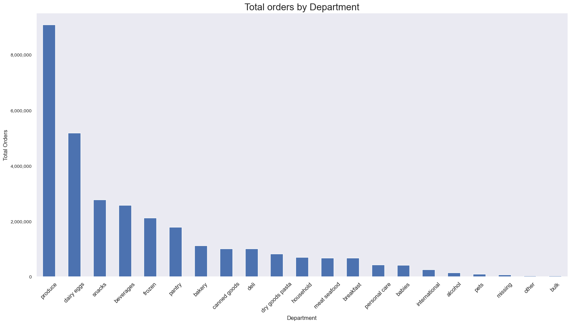
 |  |  |  | This visualization will be used to answer "Are certain types of products more popular than others?"

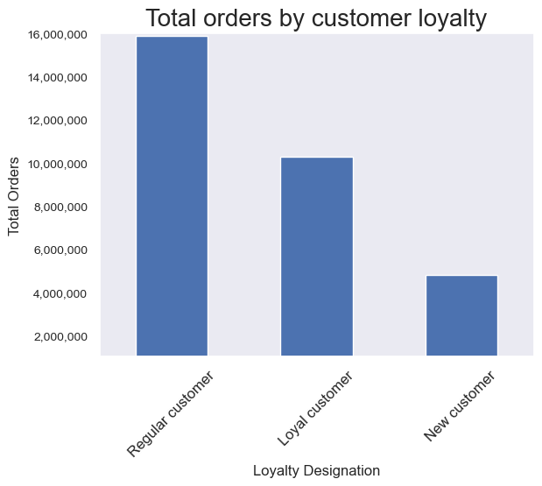
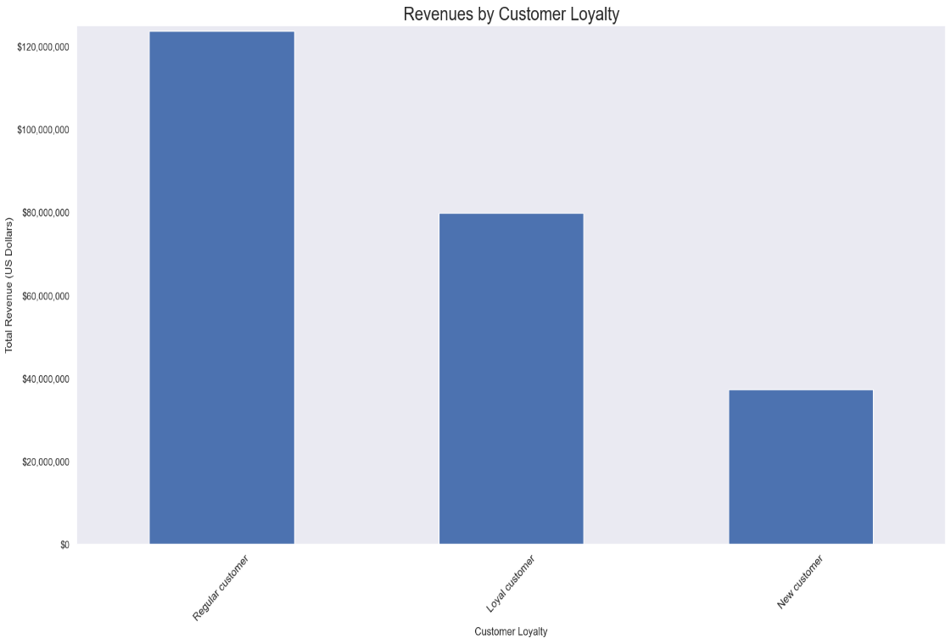
 |  |  |  |  |  | This visualizations (left) will be used to answer "How often do customers return to Instacart? Are there differences in ordering habits based on a customer's loyalty status?"

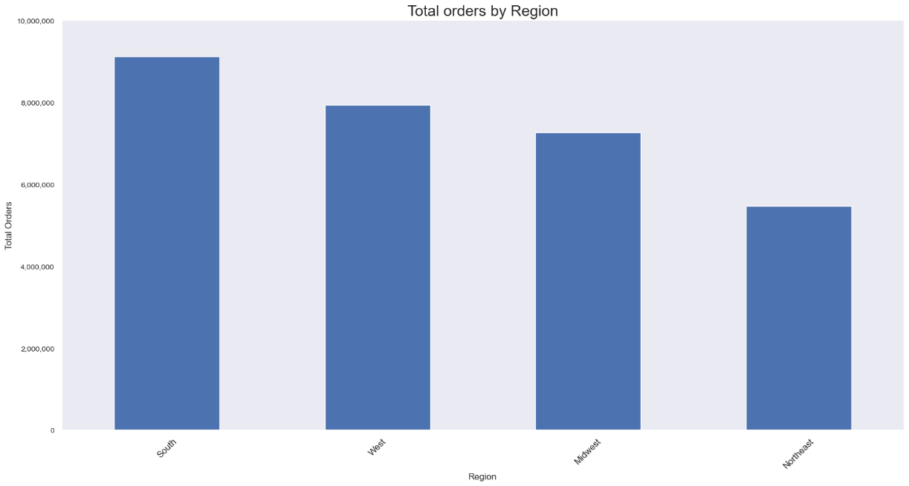
 | This visualization will be used to answer "Are there differences in ordering habits based on a customer's region?"



 | This visualization will be used to answer "Are there differences in ordering habits based on a customer's region?"

 |  |  |  | This visualization will be used to answer "Are there differences in ordering habits based on a customer's region?"

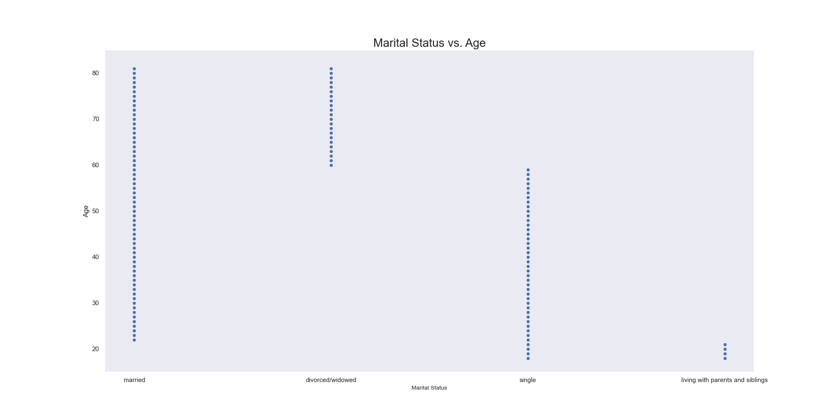

 |  |  |  | This visualization will be used to answer "Is there a connection between age and familly status in terms of ordering habits?"

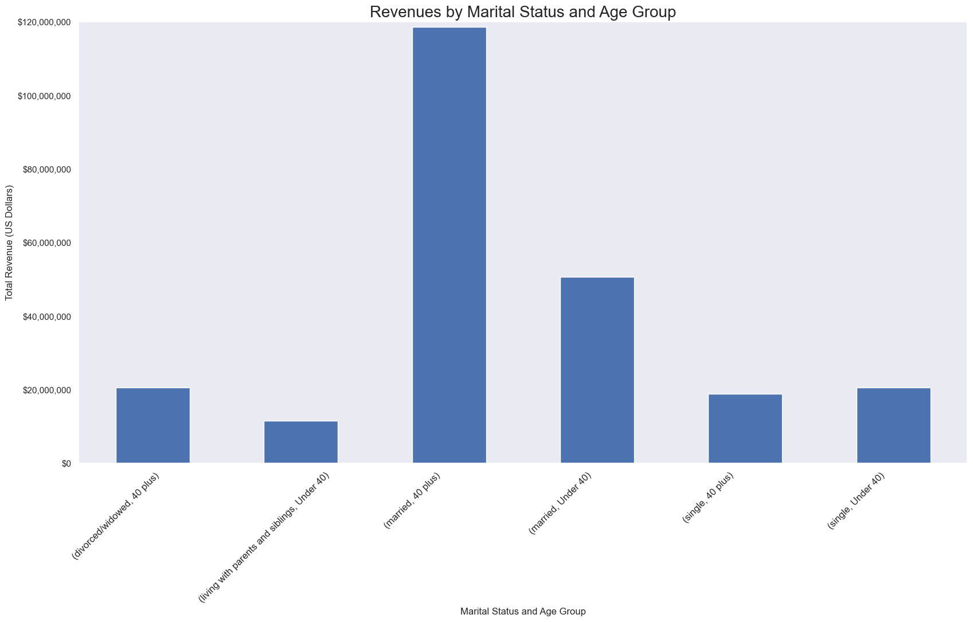

 |  |  |  | This visualization will be used to answer "Is there a connection between age and familly status in terms of ordering habits?"

 |  |  |  | This visualization was repeated for clarity to answer "What differences in ordering habits exist based on customer profiles?"

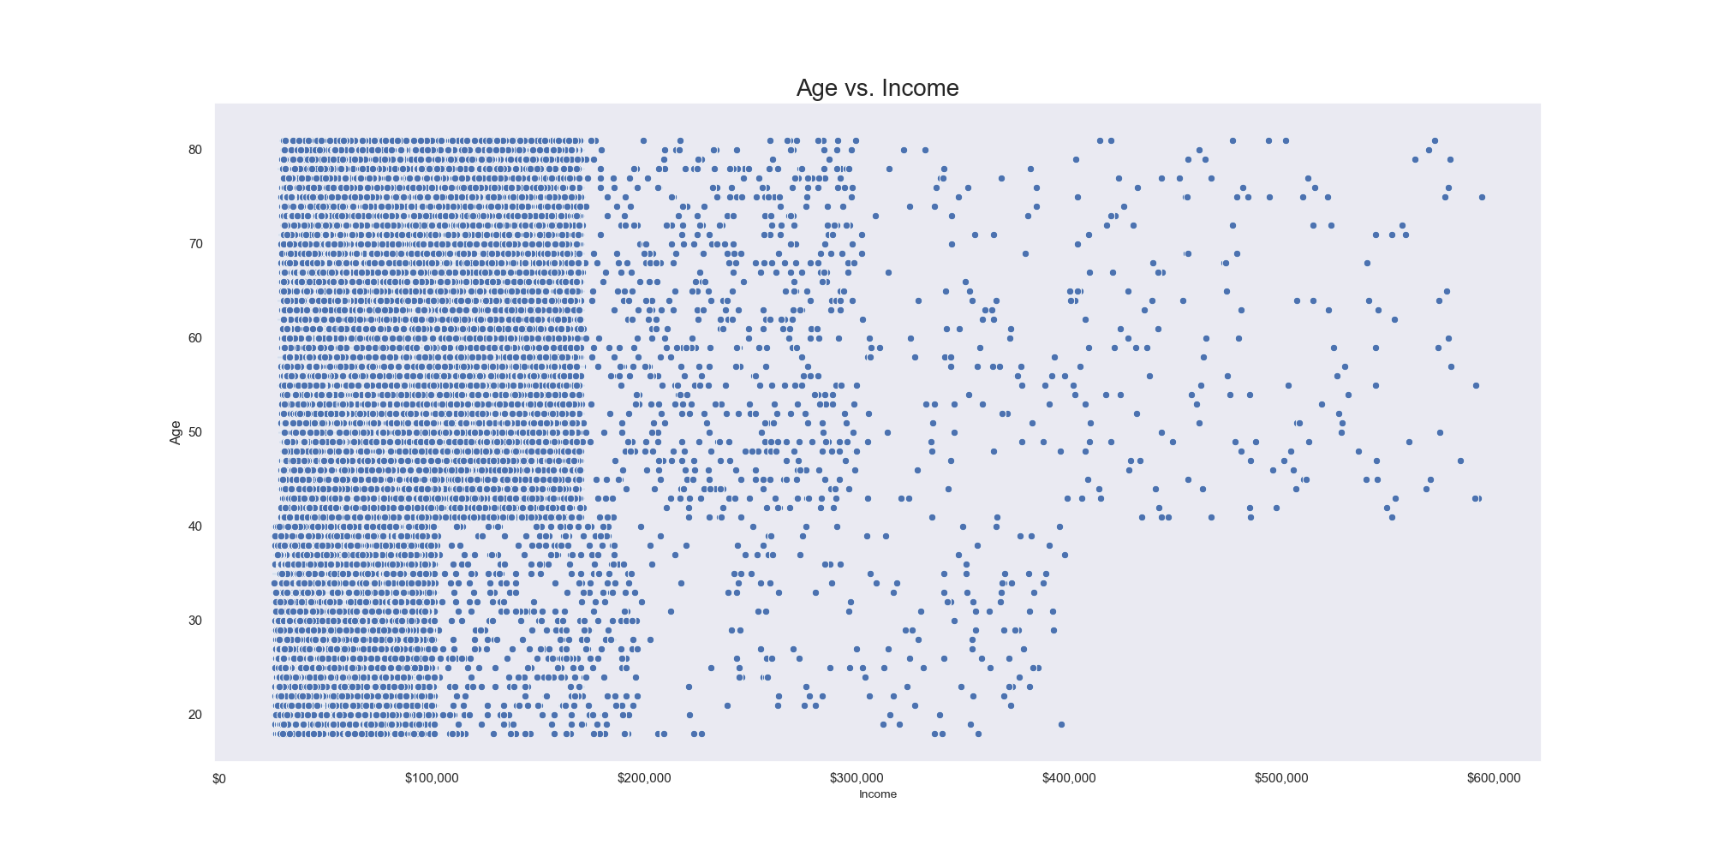

 |  |  |  | This visualization will be used to answer "What different classifications does the demographic information suggest?"

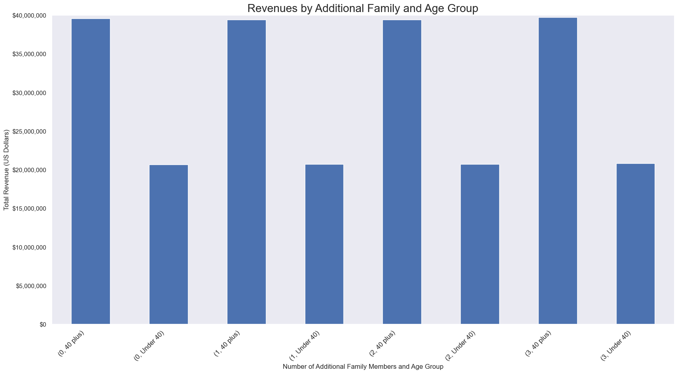

 |  |  |  | This visualization will be used to answer "What different classifications does the demographic information suggest?"

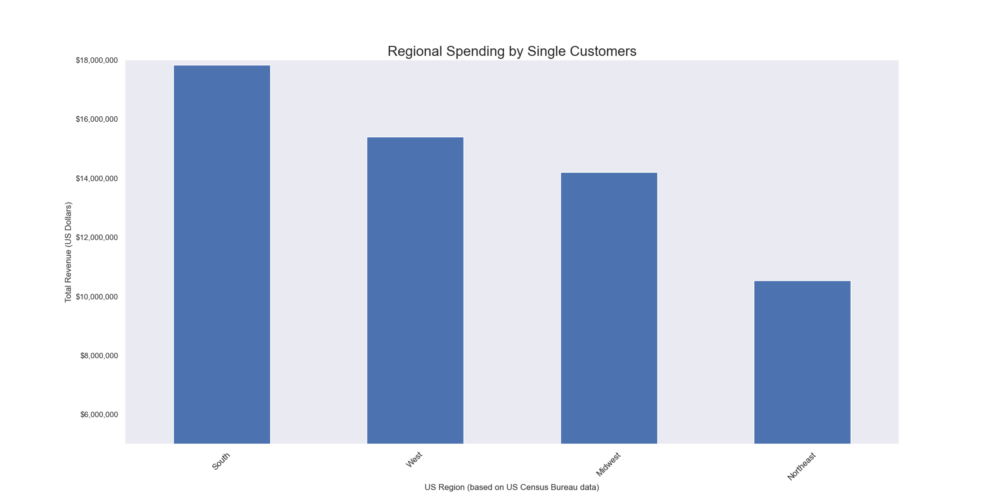

 |  |  |  | This visualization will be used to answer "What different classifications does the demographic information suggest?"

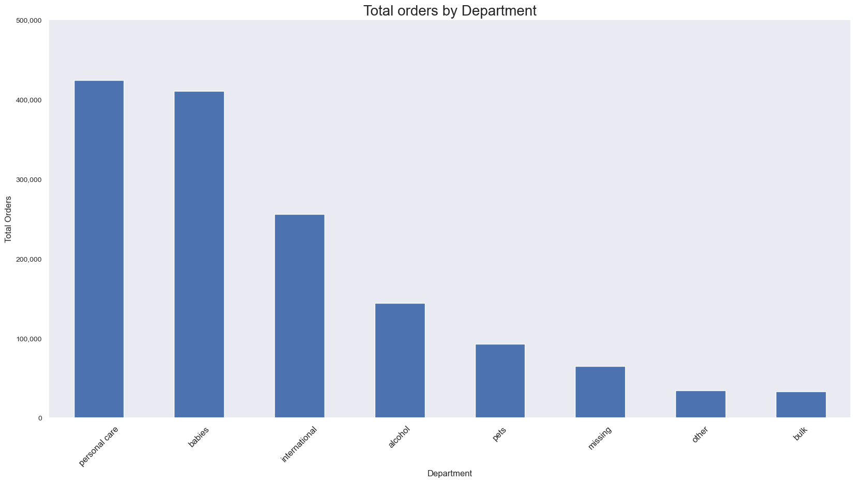

 |  |  |  | This visualization will be used to answer "What part of Instacart's offering has the lowest market share, and why?"

The following charts were created as part of the exercises, but not used in the presentation.

7. Recommendations
 |  | Title page

Recommendations

Question | Answer
What are the busiest days of the week and hours of the day? | The busiest days of the week in terms of orders placed are Saturday and Sunday, followed by Friday and Thursday. The greatest number of orders are placed between 9am and 5pm.

Are there times of the day when people spend the most money? | The greatest amount of revenue is also generated between 9am and 5pm.

Create price range groupings. | The greatest source of revenue is from products priced between 5 and 15 dollars.

Are certain types of products more popular than others? | It appears that produce, and dairy/eggs generate the most revenue and the most orders.

How often do customers return to Instacart? Are there differences in ordering habits based on a customer's loyalty status? | The greatest number of orders are placed by, and the greatest revenues received from customers who have made between 11 and 40 orders. The second largest grouping of orders and revenues is from customers who have made greater than 40 orders. From this, it appears that the vast majority of our customers are return customers.

Are there differences in ordering habits based on a customer's region? | There are more orders and revenue generated in the South region. However, in each region the top two departments for revenue generation are produce and dairy/eggs. It appears that there may be a marketing opportunity in the Northeast region. With the New York, Philadelphia, and Boston metro areas, there should be ample opportunities.

Is there a connection between age and familly status in terms of ordering habits? | Looking at marital status vs. age revealed something interesting in our data. It appears that our customers may identify as married at any age over 21. However, our customers who identify as not married are either dependents under age 21, single if they are under 60, and divorced/widowed if they are over 60. Breaking out age into customers who are under 40 and those who are 40 and older showed that our married customers over 40 provide the most revenue.

What different classifications does the demographic information suggest? | The demographic information suggests combinations of location, age, income, family size, and marital status. We have created identifiers for age groups and region to make age and location data more accessible.

What differences in ordering habits exist based on customer profiles? | The only significant difference in spending habits was revealed to be based on the combination of age group and marital status. It appears that married people 40 years of age and older are the most significant source of revenues. From this same profile, it appears that married customers are the greatest source of revenue regardless of age. The other demographic profiles yielded no significant insights. It appears that the greatest growth opportunities exist for single customers. Since produce and dairy are the most popular departments, it appears that Instacart customers are seeking healthier and fresher foods. Perhaps foods that are already set up for convenience and in smaller packages may appeal more to single customers. Items such as chopped fresh vegetables for cooking, half-dozen eggs, half-pound butter, half pint sour cream, etc. may be something to explore. This may be something marketing can explore through directed surveys and other feedback from our customers who do not identify as married.

What part of Instacart's offering has the lowest market share, and why? | The departments with under 500,000 orders was the criterion selected to respond to this question. There were two "departments", missing and other, which do not have have true categorical ties. They were included here for completeness. Alcohol is not available in all areas due to the variation in laws at the state and local levels. As this is a niche market, it will always appear to be a low market share. It is of note that international is a low market share department. This appears to be a marketing opportunity for foreign language media. There are many communities that could use instacart for delivery of international products. The remaining departments are all non-grocery. It may be that there is a public misconception that Instacart is solely a service for delivering groceries. This may present co-marketing opportunities with some of the larger stores we deliver for. Increased awareness of delivery as an option would be of benefit to both the store and Instacart. With respect to bulk items, marketing could investigate adding information to the webiste to indicate that customers can order from some warehouse clubs without a membership through Instacart.

Recommendations: | Based on our analysis, our most frequent customers are married people over 40 years of age. They order produce, dairy and eggs most frequently. This demographic supplies the greatest portion of Instacart revenues, so any new or additional marketing efforts should be careful not to alienate this group. Much of Instacart's business comes from customers who have ordered more than 10 times. It would be wise to implement a customer loyalty program. The program could offer a points system based on either number of orders, total amount spent, or some combination of the two. The points could be used for various perks, such as Instacart merchandise (t-shirts, hats, pens, pot holders, bottle openers, etc.). The welcome gift should be a refrigerator magnet with a graphic that shows all of the product types delivered by Instacart, along with a card that gives more information on each offering. This will raise awareness of the other offerings and help increase ordering for those offerings. Most orders are placed between 9am and 5 pm from Thursday through Sunday. That leaves a great deal of infrastructure unused for the majority of the day. In order to expand or load balance the hours for ordering, incentives should be offered for "early birds", "evening planners", and even "midnight madness". The incentives should be bonus points in the loyalty program. To increase Instacart's perceived value for single customers, we recommend adding services that will appeal to that demographic. These services could include recipies for 1-2 serving meals that are quick and easy to prepare. A meal planner feature in the app could add the ingredients needed for selected recipies directly to the cart. This would help our single customers prepare food for themselves and an additional friend/date and make the shopping process easier also. The app could even suggest recipes based on customers likes/dislikes and dietary requirements. To increase sales for pet related products, we recomm

